Wireframe
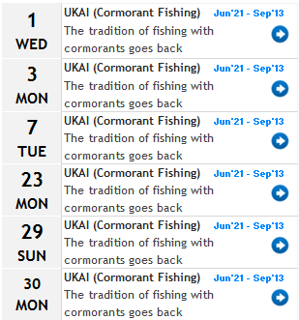
Wgo
 | Matsuyama City

Festivals July 2012

